Statistics & Graph
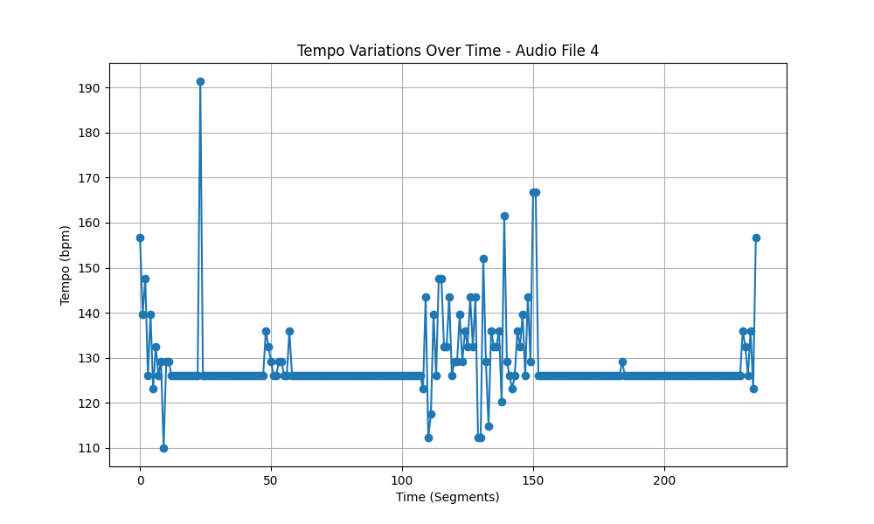
Metric | Value
Mean | 128.50582852
Standard Deviation | 8.2961472024
Coefficient of Variation (CV) | 6.4558528575

